Module 8
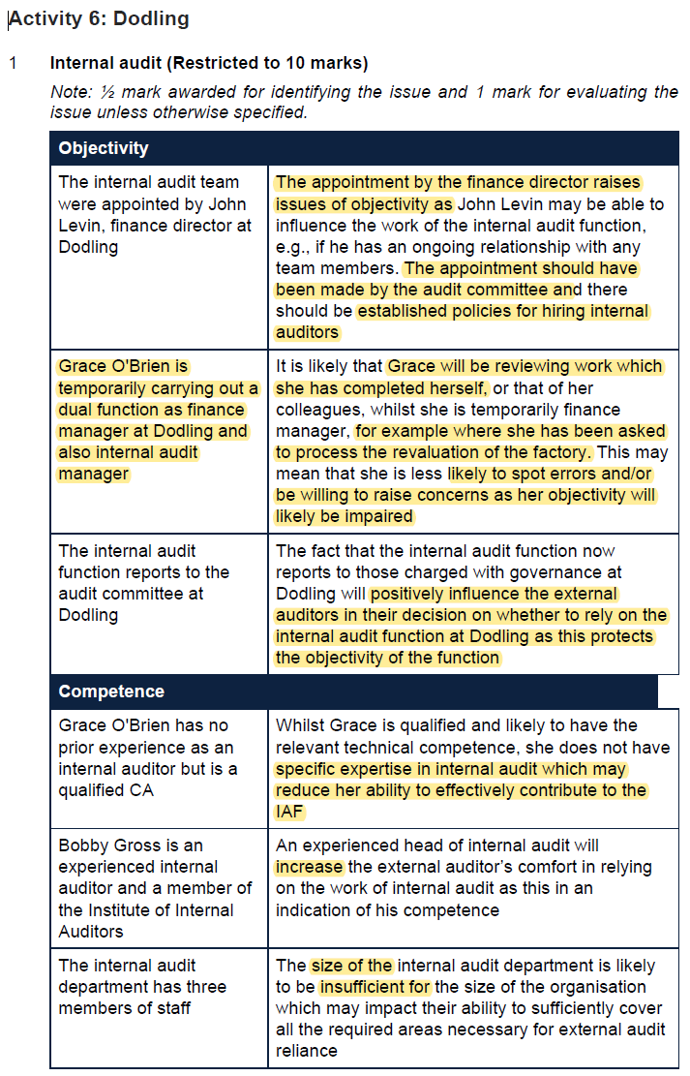
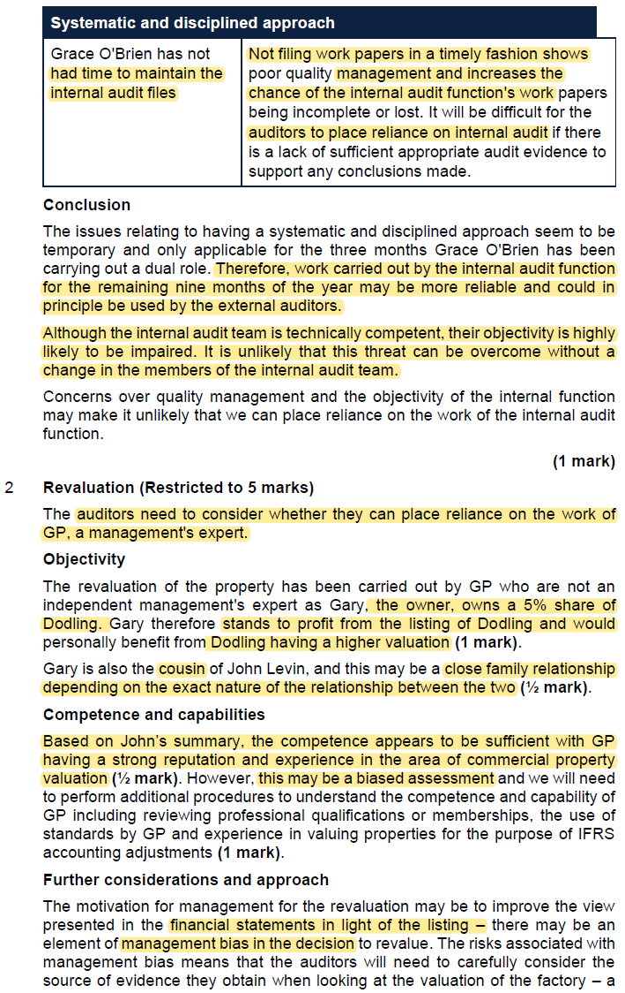
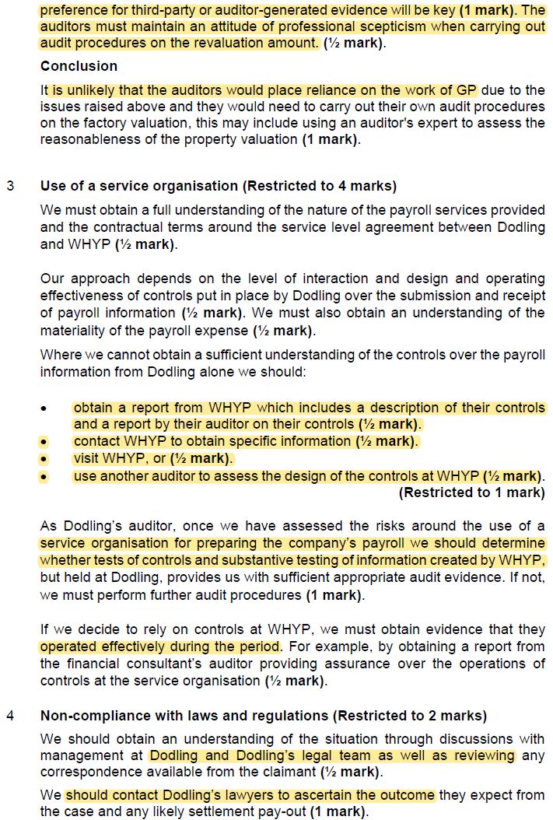
Main
 | Module 8: Specific risk areas and the impact on the audit approach

 | related parties
 | service organisations
 | using the work of experts
 | plan approach to collect sufficient appropriate audit evidence
 | consider potential related parties

 | Non compliance with laws and regulations is a material risk to the financial statements and also a going concern risk
 | Mgmt's responsibility to ensure laws and regs are complied with
 | auditor not responsible for preventing non-compliance
 | Auditor should obtain reasonable assurance the financial statements are fre from material mistatement
 | There are direct L&R relating primarily to financial statements and disclosure
 | and L&R that do no have a direct effect on the financial staatements but complians with which may be fundemental to operations of the business (going concern) or non-compliance may result in material penalties or entity failure

 | Auditors need to obtain sufficient appropriate evidence regarding compliance with those laws and regulations with a direct effect on the financial statements
 | perfomr specified procedures to help identify instances of non-compliance which may have a material effect on the financial statements

 | ISA 250 states the auditor needs to obtain a general understanding og the legal and regulatrory framework when developing and understanding of the entity and how the entity is complying with that framework

 | this is done through
 | Discussion
 | Enquiry
 | and reading the other information in the annual report setting out which other L&R needs to be complied with
 | understand the controls in place and assess the D&I

 | Activity 1: Non-compliance with laws and regulations
 | List the evidence or information that you could encounter at a client that would indicate
 | non-compliance with laws or regulations.
 | Solution to Activity 1

 | Activity 1: Non-compliance with laws and regulations
 | See paragraph A11-2 of ISA (UK) 250A for some examples. Other examples could
 | include:
 | • Increased legal fees in the financial statements
 | • Provisions for fines or penalties
 | • Increased correspondence with a regulatory body
 | • Statements made by management to the press or shareholders
 | • Disclosure in the annual report, out with the financial statements
 | • Discussion at board meetings

 | examples of non-compliance with l&R include
 | increased legal fees in the financial statements
 | Provisions for fines or penalties
 | increased correspondence with a regulatory body

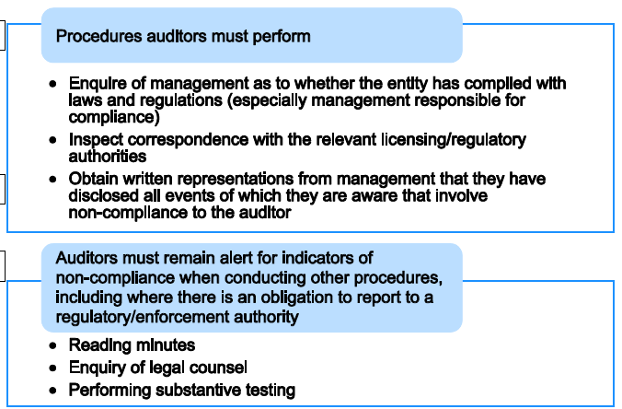

 | Enquiry of management as to whether the entity has complied with L&R
 | inspect correspondence with relevant licensing/regulatory authorities
 | obtain written representation from management that they have disclosed all event they are aware of relating to non-compliance to the auditors

 | auditor to remain alert through:
 | reading minutes
 | enquiry of legal counsel
 | performing substantive testing

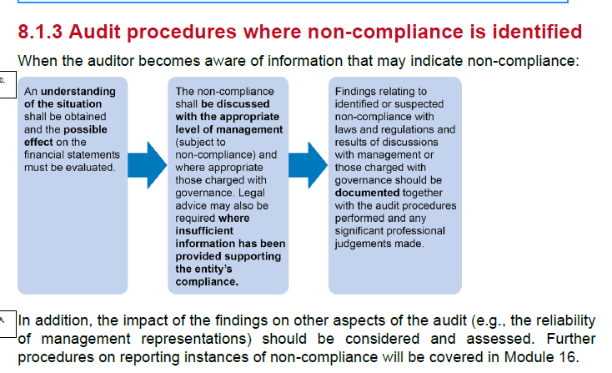

 | Understand the situation
 | discuss with the appropriate level of management
 | where appropriate, discuss with TGWG
 | legal advice may be needd where insufficient information has been provided supporting the entituy's compliance
 | finding related to identified or suspected non-compliance with L&R and and discussions should be documented together with the audit procedures performed and any significant professional judgements made

 | Public sector auditor responsibilties extend further than just financial statement audit
 | need to measure that expenses are being incurred responsibly and for the public benefit

 | A duty to report to a regulator in the UK exists from legislation such as the Financial Services and Markets Act 2000 and the Financial Services Act 2012.

 | The relevant fact should be explained in terms of it's impact on the financial statements
 | e.g. going concern or unrecognised liabilities / judgemental provisions

 | Related Parties
 | Fraudulent financial reporting can occour through the involvement of related parties
 | need to be aware of the ROMMs in the FS from related parties and how to design audit procedures in response to these risks

 | Activity 2: Related parties
 | What is a related party and what are some examples of relationships that would be
 | classified as a related party?
 | Solution to Activity 2

 | Activity 2: Related parties
 | IAS 24 states that a related party is an individual or entity that is related to the entity
 | that is preparing its financial statements (the reporting entity).
 | The standard includes the below in the definition of when related party relationships
 | exist:
 | • An individual (or close family member of the individual) who controls or jointly
 | controls an entity (i.e., a major shareholder)
 | • An individual (or close family member of the individual) who has significant
 | influence over an entity (i.e., a major shareholder)
 | • An individual (or close family member of the individual) who is a key
 | management personnel of an entity or the entity’s parent company (i.e. an
 | executive or non-executive director)
 | • All entities within the same group, or associates and joint ventures related to the
 | group
 | • An entity and its pension plan
 | • Two entities who are connected through an individual with control or significant
 | influence (i.e. an individual is a majority shareholder in two or more entities)
 | • An entity provides key management personnel services to another
 | IAS 24 specifies that certain relationships are not considered ‘related parties’ such as
 | two entities simply because they share a director.
 | Paragraphs A4–A7 of ISA (UK) 550 also provide an overview of the definition of related
 | parties together with examples of relationships that may indicate the presence of a
 | 'related party' relationship.

 | relates party is an individual or entity related to the entity which is preparing financial statements
 | individual with control or influence over an entity
 | key mgmt personnel of the entity or parent company
 | group companies, associates and JV
 | pension plan
 | entities connected between an individual i.e and individual with a major shareholding in the entity and another entity
 | entity which provides key management personnel services to another

 | entities which share a director are not always considered as related parties

 | need to obtain a sufficient understanding of the related party relationships ans transactions
 | to identify fraud risks and conclude if accounts are presented fairly

 | ISA 315 and ISA 240
 | risk assesment
 | gain and understanding of the entity such that related transactions can be identified

 | ISA 550 outlines procedures to help identigy and unerstand relates party relatoinships

 | engagement team discussion
 | enquiry of mgmt
 | understand control to identify, accounts for and disclose related parties
 | reamaining alert throughout the audit
 | inspecting bank and legal confirmations and minutes for evidence of related parties
 | inspecting income tax returns, shareholder register, records of the entity's investments, life insurance policies
 | understanding RP transactions outside the entity's normal course of business

 | once understood RP
 | assess the ROMM
 | any significant?
 | outside normal course of business or
 | or fraud risk factors
 | any RP with a dominant influence

 | respond the the asseessed risk
 | adjust nature, timing and extent of further procedures to address the risks identified

 | low risk - check D&I of controls to identify RP
 | then
 | test OE of controls
 | perform substanive analytical review of the transacions and balances

 | Higher/Significant risk
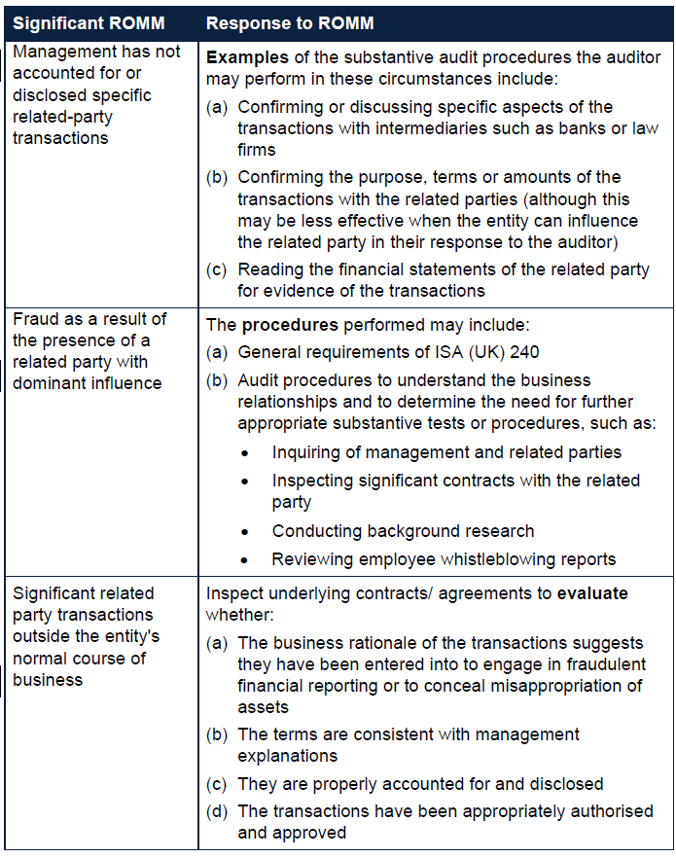

 | If we identify previously unidentified or undisclosed related party transactions
 | we must discuss this with mgmt (and document this discussion happened)
 | request mgmt to prepare the required information,
 | perform substantive procedures to obtain evedence over the newly identified transactions orbalances
 | and reconsider the ROMM including any possibel fraud risk factors

 | Journal testing - including Director names

 | 8.2.2.4 Engagement management
 | ISA (UK) 550 also requires the following of the auditor:
 | • To obtain written representations that management have disclosed to the
 | auditor and accounted for and disclosed all relevant related party relationships
 | and transactions
 | • To communicate with those charged with governance any significant matters
 | in relation to related parties
 | • To document the names of identified related parties and the nature of related
 | party relationships

 | Estimates
 | ISA 540
 | Accounting estimate
 | A monetary amount for wwhich th emeasurement , in accordance with the requiremens of the applicabel financial reporting framework is subject to estimeation uncertainty
 | Examples of accounting estimates:
 | • Provisions relating to inventories and receivables
 | • Depreciation
 | • Valuation of financial instruments
 | • Provisions for pending litigation costs
 | • Warranty provisions
 | • Share-based payments
 | • Fair values of assets or liabilities acquired in a business combination

 | Risk Assessment
 | seperatwe assessment of inherent risk for the purpose of assessing ROMM for accounting estimates

 | any transactions or other event and conditions which have changes the basis for the accounting estimates
 | any changes in the applicable financial reporting framework
 | regulatory factors relevant to accounting estimates
 | estimation uncertainty, complexity, subjectivity and other inherent risk factors

 | factors to consider
 | method or assumptions
 | business environment
 | possible and predicatble to make a reliable prediction
 | method of measurement prescribed by accounting standards is simple or complex
 | complecity of the process to derive the data
 | degree to which subjectivity affects the selection and application of esitmation method
 | Management bias

 | Responding to the assessed ROMM

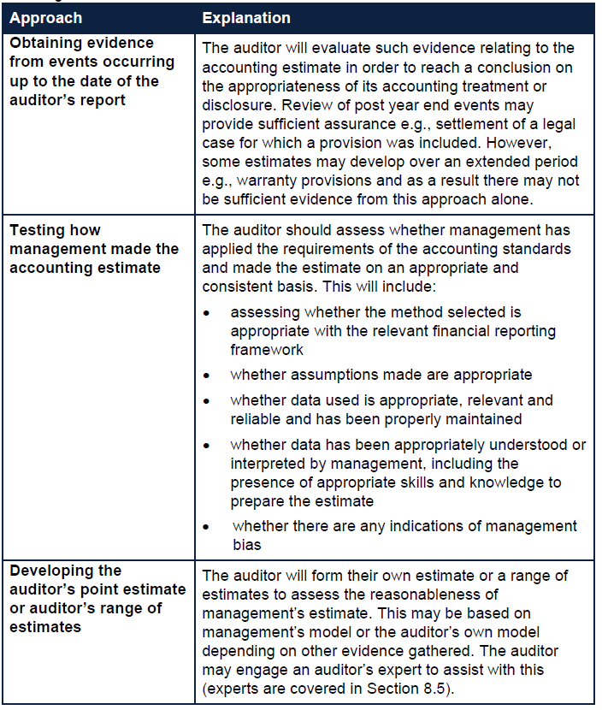

 | Service Organisations
 | and user entity (entity which uses the service org.)

 | need to obtain an understandin of the nature and significance of the services provided by the service organisation and the effect on the ROMM
 | to design and perform the audit procedurs responsice to those risks

 | understand how a client uses a service organisation

 | nature of the service
 | materiality of the accounts processed
 | interaction between use and SO
 | contractual terms

 | Activity 3: Nature of services
 | You are planning the audit of Barney Ltd, a client which has outsourced its payroll to a
 | service provider. List items you could use to obtain an understanding of the nature of
 | the service provided by the service organisation.
 | Solution to Activity 3
 | Activity 3: Nature of services
 | See paragraph A1 of ISA (UK) 402.
 | Information on the nature of the services provided by the service organisation may be
 | available from a wide variety of sources, such as:
 | • User manuals
 | · System overviews
 | • Technical manuals
 | • The contract or service level agreement between the Barney Ltd and the service
 | organisation
 | • Reports by service organisations, the internal audit function or regulatory
 | authorities on controls at the service organisation
 | • Reports by the service auditor, including management letters, if available

 | reports and user manuals from the service organisation
 | contracts
 | outputs of work performed
 | sufficient appropriate audit evidence such that we can gain an understanding of the role of the service organisation

 | Internal controls
 | controls around outsourcing work to service orgs.
 | needs to understand the nature and significance of the work performed by SO and how this impacts the risk assesment

 | The auditor will consider whether a sufficient understanding of the nature and
 | significance of the services provided by the service organisation and their effect on the
 | entity’s internal control relevant to the audit has been obtained to assess the ROMM.
 | If the auditor is unable to assess the ROMM then they must obtain a sufficient
 | understanding from one or more of the following:
 | • Obtain a report from the service organisation’s auditor containing details of the
 | nature and sufficiency of internal controls at the service organisation
 | • Contact the service organisation
 | • Visit the service organisation
 | • Use another auditor to perform procedures to gather the necessary information

 | if we do not have sufficient understanding - we must obtain further evidence

 | If relying on controls at the service organisation, the auditor must obtain evidence that
 | they operated effectively during the period. This evidence can be obtained by:
 | • Obtaining a report from the service organisation's auditor providing assurance
 | over the operating effectiveness of the controls;
 | • Gaining access to the service organisation to perform tests of control; or
 | • Using another auditor to perform tests of controls at the service organisation.

 | Type 1 report - D&I
 | Type 2 report - OE

 | auditors need to be satisfied of the service auditor's professional competeence and independence from the service organisation
 | the adequacy of the standards under which the servivce auditor's report was issued

 | assess the D&I and OE testing performed by service auditor
 | complementary controls identified at SO are relevant
 | time period covered by the test of controls

 | Using the work of an expert

 | valuation
 | measurement
 | actuarial valuations
 | DCF analysis
 | brand valuations - for business combinations
 | climate-related risks

 | Mgmt experts
 | Auditor's expert

 | can choose to rely on the work of either type of expert in order to obtain sufficiecnt appropriate audit evidence

 | relying on mgmt estimate
 | competence, capability and objectivity
 | understand the work
 | evaluate if appropriate audit evidence

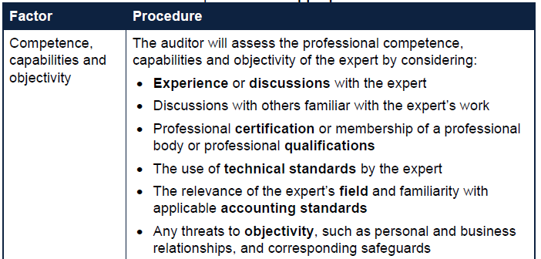
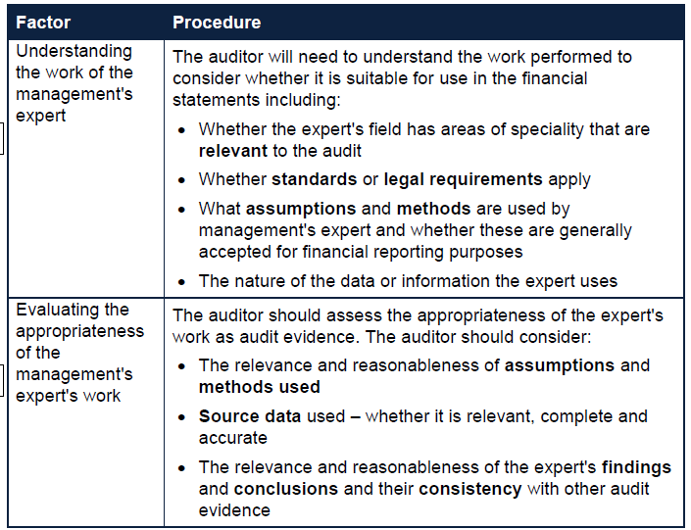

 | When considering the nature, timing and extent of audit procedures over information produced by mgmt's expert

 | • The nature and complexity of the matter
 | • The ROMM of the financial statement item being considered
 | • The quantity and quality of other available relevant audit evidence
 | • The nature, scope and objectives of the management's expert's work
 | • Whether the management's expert is employed by the entity, or is a
 | engaged by it to provide relevant services
 | • The extent to which management can exercise control or influence over
 | work of the management's expert
 | • Whether the management's expert is subject to technical performance
 | standards or other professional or industry requirements
 | • The nature and extent of any controls within the entity over the management's
 | expert's work
 | • The auditor's knowledge and experience of the management's expert's
 | expertise
 | • The engagement team's previous experience of the matter considered

 | Example
 | A property valuation performed by the selling agent is not appropriate
 | not fully objective or prepared in accordance with accounting standards

 | Determining the need for an auditor's expert

 | Whether mgmt has used a management's expert
 | nature, significance, complexity of the matter
 | ROMM
 | expected nature of procedures
 | understanding of the entity and environment
 | identify and assess the ROMM
 | determining and implementin overall responses to ROMM at the financial statement level
 | Designing and performing further audit procedures to respond to identified ROMM
 | evaluate sufficiancy and appropriateness of audit evidence

 | involve the expert from the get go

 | if unmodified opinion - do not mention the work of the auditor's expert
 | if modified opinion - may make referene to the work of the expert if appropriate
 | the reference does not reduce the auditor's responsibility for that opinion

 | ISA 500 or ISA 620

 | Exam tips
 | You may receive information in the scenario about asset valuations, stock items that
 | require estimation, stage of completion for construction contracts, legal cases etc.
 | These are likely to be areas that are complex, judgemental or involve estimation and
 | therefore there is an audit risk that the amounts are misstated. An appropriate audit
 | response may be to use an expert, in which case you will refer to ISA (UK) 500 or ISA
 | (UK) 620.

 | Internal audit
 | can rely on work performed by internal audit provided certain conditions met
 | should avoid duplication of effort where possible

 | determine if the work done by internal audit can be used
 | and to what extent
 | is the work adequate for the purpose of the audit

 | Direct assistance
 | the use of the internal auditor funciton to perfrom audit procedures under the direction, supervision and review of th eexternal auditor

 | In the UK, direct assistance is prohibitied

 | need to assess as part of planning if the work of internl audit is objective, competant
 | and applies a systemic and dicsciplined approach, including quality control

 | Activity 4: Using the work of internal audit
 | You are an external auditor at the planning stage of an audit engagement. List the
 | factors you would consider in determining whether to use the work of internal audit in
 | each of the above categories
 | Solution to Activity 4
 | Activity 4: Using the work of internal audit
 | See paragraphs A5–A11 of ISA (UK) 610. Considerations include:
 | (a) The status of internal audit function (i.e., reporting lines)
 | (b) IA free of conflicting responsibilities (i.e., free from operational roles)
 | (c) Constraints or restrictions on IA (i.e., in communicating with the external auditor)
 | (d) Membership of IA of relevant professional bodies
 | (e) Adequate resources
 | (f) Appropriate knowledge/training/qualifications
 | (g) Use of documented IA procedures or guidance
 | (h) Existence of quality control procedures (i.e., supervision and review procedures)

 | if assessed to not be objective, incompetant and not systematic and disciplined then the work of internal audit will not be used

 | nature and scope of internal audit work
 | and the relevance to the external auditors overall strategy and audit plan

 | Factors which restrict the the involvement of internal audit
 | areas requiring more judgement
 | areas with high ROMM
 | concern over the effectivensss of the internal audit function

 | Activity 5: Using specific work
 | As an external auditor how would you make an assessment on the internal auditor's
 | specific work?
 | Solution to Activity 5
 | Activity 5: Using specific work
 | See paragraphs A27–A30 of ISA (UK) 610:
 | 1 Observe procedures performed
 | 2 Inspection of internal auditor's work papers and reports
 | 3 Enquiry of internal audit staff
 | 4 Re-perform tests already performed by internal audit

 | Will need to refer to the standard in preparing answer
 | Prepare a cheatr sheet with standards and where they relate
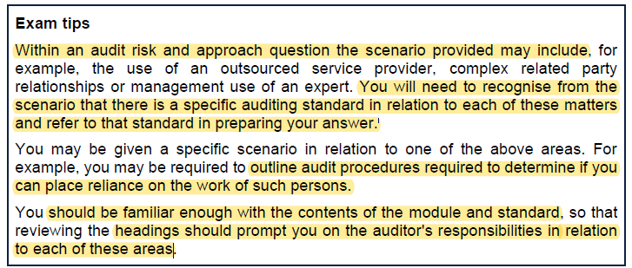

 | Identifying and evaluating
 | note the good points as well as the bad points

 | Objevtivity
 | Competence
 | systematic and discplined approach
 | Fruther consideratinons
 | conclusion

